sign up
Category | Label | Value
Bug ID | ID number | BUG_tc_001_001
 | Name | make a new account
 | Reporter | youssef samy
 | Submit Date | 2024-10-19
 | TC ID | tc_001
Bug overview | Summary | The system shall allow new users to register by providing a unique username, a password, and an email address
 | URL | https://www.natours.dev/signup
 | 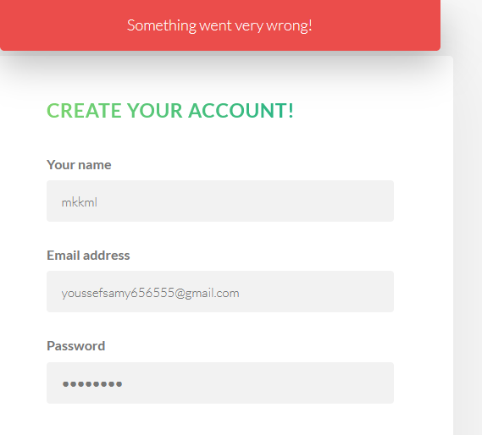 Screenshot (Evidence)
Environment | Platform | DELL Precision
 | Operating System | Windows11
 | Browser | Chrome V10.1
Bug details | Steps to reproduce | 1-open sign up page url 2-write your name 3-write your email address 4-write password 5-write a confirm password 6-click sign up button
 | Expected result | sign up successfully
 | Actual result | error message '' Something went very wrong!'' but sign up successfully
 | Description
Bug tracking | Severity (Critical - Major -Minor) | major
 | Assigned to | Developer
 | Priority(High - Medium - Low) | medium
Notes | Notes

Category | Label | Value
Bug ID | ID number | BUG_tc_001_4_002
 | Name | verify email
 | Reporter | youssef samy
 | Submit Date | 2024-10-19
 | TC ID | tc_001_4
Bug overview | Summary | cheack the site send vrefication to the email
 | URL | https://www.natours.dev/signup
 | Screenshot (Evidence)
Environment | Platform | DELL Precision
 | Operating System | Windows11
 | Browser | Chrome V10.1
Bug details | Steps to reproduce | 1-open sign up page url 2-write your name 3-write your email address 4-write password 5-write a confirm password 6-click sign up button
 | Expected result | register successfully and sending vrefication
 | Actual result | nothing sent
 | Description
Bug tracking | Severity (Critical - Major -Minor) | major
 | Assigned to | Developer
 | Priority(High - Medium - Low) | High
Notes | Notes

Category | Label | Value
Bug ID | ID number | BUG_tc_001_6_003
 | Name | invalid register
 | Reporter | youssef samy
 | Submit Date | 2024-10-19
 | TC ID | tc_001_6
Bug overview | Summary | Verify email constraints
 | URL | https://www.natours.dev/signup
 | Screenshot (Evidence)
Environment | Platform | DELL Precision
 | Operating System | Windows11
 | Browser | Chrome V10.1
Bug details | Steps to reproduce | 1-open sign up page url 2-write your name 3-write your email address 4-write password 5-write a confirm password 6-click sign up button
 | Expected result | error msg: E-Mail Address does not appear to be valid!
 | Actual result | sign up successfully
 | Description
Bug tracking | Severity (Critical - Major -Minor) | major
 | Assigned to | Developer
 | Priority(High - Medium - Low) | High
Notes | Notes

